MCP-Tracker
Hide Data Ingestion
Daily MCP Runs Tracker
 | EOM Date:
 | 31-Mar-26

Hide Main Processes
 | Location |  | Data Ingestion

 |  |  | Model Parameters

Hide Location Specific
 |  | 0 | 0 | 0
 | BEGT | 0 | Ø | 0
 |  | 0 | 0 | 0

 |  | 0 | 0 | 0
 | DEGT | 0 | Ø | 0
 |  | 0 | 0 | 0

Hide Quarterly Runs
 |  | 0 | 0 | 0
 | NLBTR | 0 | Ø | 0
 |  | 0 | 0 | 0

 |  | 0 | 0 | 0
 | AUDB | 0 | ✔ | 0
 |  | 0 | 0 | 0

 |  | 0 | 0 | 0
 | BEDB | 0 | ✔ | 0
 |  | 0 | 0 | 0

 |  | 0 | 0 | 0
 | DEDB | 0 | ✔ | 0
 |  | 0 | 0 | 0
...

MCP-Tracker Old
Refresh
...
 | Processing Progress

Import Strategies | Valuation | CSRBB (Val) | CSRBB (Plan) | EC | KR | Gap + Liquidity IR | NII / Planning risk | AIC

Import Strategies | Valuation (NPV) | CSRBB Valuation | CSRBB Planning | EC | KR | GAP | Planning (NII) | Valuation AIC
2026-03-11 23:59:00 | 2026-03-11 23:59:00 | 2026-03-13 23:29:00 | 2026-03-13 23:29:00 | 2026-03-18 23:59:00 | 2026-03-18 23:59:00 | 2026-03-19 23:59:00 | 2026-03-17 23:59:00 | 2026-03-11 23:59:00

✔ | ✔ | ✔ | ✔ | ✔ | ✔ | ✔ | ✔ | Ø
...

SQL
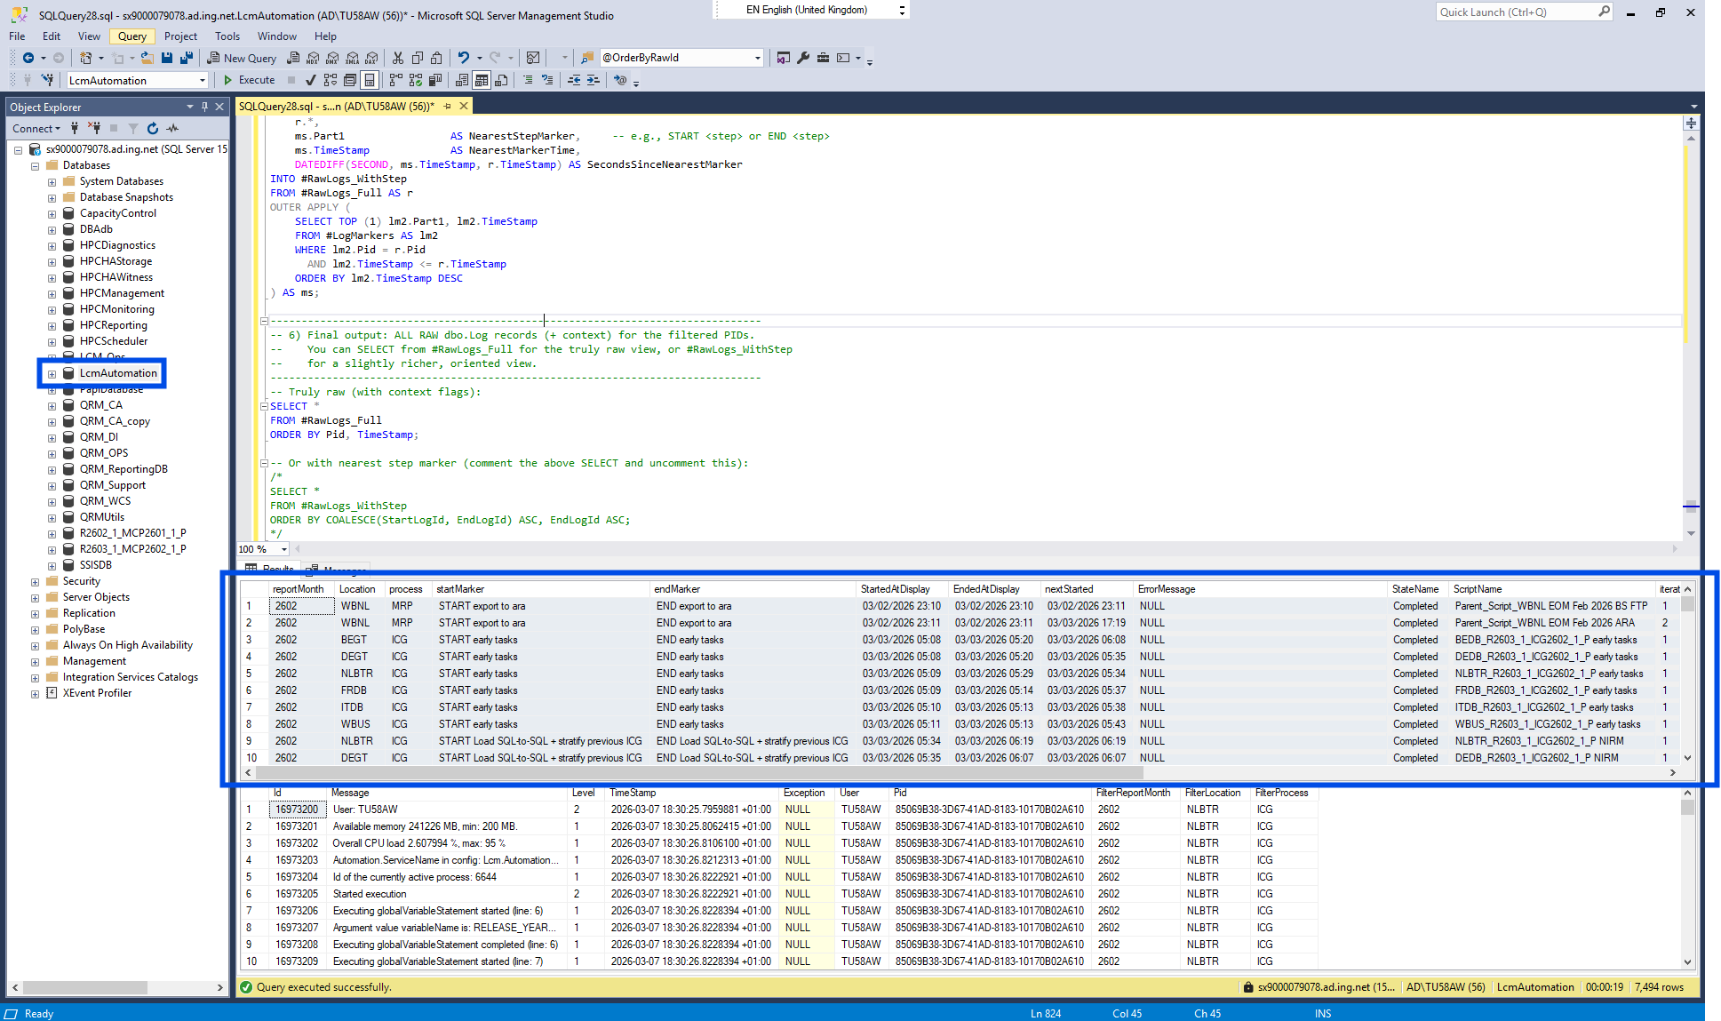
 | sx9000079078.ad.ing.net
SET NOCOUNT ON;
USE LCMAutomation
/* ======================================================================
Iteration_OppCost_v004.sql — Option A Integrated (Final)
Version: v004-OptionA-final
Date: 2026-03-16
----------------------------------------------------------------------
PURPOSE
- Preserve START/END markers even when a PID lacks the
'IQrmCaDatabaseService.IsExistingDatabase(databaseName: "…")' log.
- Implementation:
(1) Use LEFT JOIN to #DatabaseProcess_Uniq when building #LogMarkers
(2) Fall back to parse DB token from the marker (Part2) to fill
Location/process/reportMonth/runGroup/version/db if missing.
- Performance & Safety Fixes:
• Anchored marker predicate (LIKE @marker + '%') for speed.
• Remove ESCAPE usage; use LIKE '%%[_]NL[_]MRP%%' style to match literal underscores.
- All downstream logic (pairing, metrics, normalization, final SELECT)
stays the same as your baseline, except for the safe fixes above.
DESIGN NOTES
- Canonical identifiers remain: Pid (execution), stepName (START/END),
runGroup (5th segment of 6-part DB token), Location (1st segment),
process (letters of 4th segment), reportMonth (last 4 digits of 4th).
- Base parsing of DB token uses the same XML splitting as prior versions.
====================================================================== */

/* ============================
PARAMETERS (adjust as needed)
============================ */
DECLARE @ProcessFilter NVARCHAR(MAX) = 'MCP, SOT, MRP, ICG'; -- set NULL to not filter by Process
DECLARE @ReportMonthFilter NVARCHAR(10) = '2602';
DECLARE @LocationFilter NVARCHAR(50) = NULL; -- set NULL to not filter by location
DECLARE @IncludeAraAndMaintenance BIT = 1; -- 1 = include, 0 = exclude
DECLARE @BusinessStart TIME = '04:00';
DECLARE @BusinessEnd TIME = '17:00';
-- v009: Ordering toggle
-- 0 = legacy ordering by display timestamps (StartedAtDisplay, EndedAtDisplay, nextStarted)
-- 1 = order globally by raw log identity (COALESCE(StartLogId, EndLogId)) for strict chronology
DECLARE @OrderByRawId BIT = 1;

/* =======================
PART 1 — Base Extraction (v003, same as v002)
Upstream parsing from dbo.Log:
- Extract text strictly between the first pair of quotes
- Require exactly 6 underscore-separated parts
- Map:
p1 -> Location (Database)
p3 -> version (Release Index)
p5 -> runGroup (Database Index)
p4 -> procMonth; process = leading letters, reportMonth = last 4 digits
*/
DROP TABLE IF EXISTS #DatabaseProcess;
WITH Raw AS (
SELECT
l.Id,
l.TimeStamp,
l.Pid,
SUBSTRING(l.message,
CHARINDEX('"', l.message) + 1,
CHARINDEX('"', l.message, CHARINDEX('"', l.message) + 1) - CHARINDEX('"', l.message) - 1) AS dbName
FROM dbo.Log AS l
WHERE l.message LIKE '%Calling: IQrmCaDatabaseService.IsExistingDatabase(databaseName: "%'
AND CHARINDEX('"', l.message) > 0
AND CHARINDEX('"', l.message, CHARINDEX('"', l.message) + 1) > CHARINDEX('"', l.message)
),
Split AS (
SELECT r.Id, r.TimeStamp, r.Pid, r.dbName,
CAST('<x>' + REPLACE(r.dbName, '_', '</x><x>') + '</x>' AS XML) AS xmlparts
FROM Raw r
),
Parts AS (
SELECT s.Id, s.TimeStamp, s.Pid, s.dbName,
s.xmlparts.value('/x[1]', 'nvarchar(100)') AS p1,
s.xmlparts.value('/x[2]', 'nvarchar(100)') AS p2,
s.xmlparts.value('/x[3]', 'nvarchar(100)') AS p3,
s.xmlparts.value('/x[4]', 'nvarchar(100)') AS p4,
s.xmlparts.value('/x[5]', 'nvarchar(100)') AS p5,
s.xmlparts.value('/x[6]', 'nvarchar(100)') AS p6,
s.xmlparts.value('/x[7]', 'nvarchar(100)') AS p7
FROM Split s
),
Valid AS (
SELECT Id, TimeStamp, Pid, dbName,
p1 AS Location, p2 AS releaseYm, p3 AS version, p4 AS procMonth, p5 AS runGroup, p6 AS trailing
FROM Parts
WHERE p1 IS NOT NULL AND p2 IS NOT NULL AND p3 IS NOT NULL AND p4 IS NOT NULL AND p5 IS NOT NULL AND p6 IS NOT NULL
AND (p7 IS NULL OR p7 = '')
),
Parsed AS (
SELECT v.TimeStamp, v.Pid,
CAST(v.dbName AS nvarchar(200)) AS db,
CAST(v.Location AS nvarchar(100)) AS Location,
CAST(LEFT(v.procMonth, NULLIF(PATINDEX('%[0-9]%', v.procMonth), 0) - 1) AS nvarchar(100)) AS process,
CAST(RIGHT(v.procMonth, 4) AS nvarchar(10)) AS reportMonth,
CAST(v.version AS nvarchar(100)) AS version,
CAST(v.runGroup AS nvarchar(100)) AS runGroup
FROM Valid v
WHERE RIGHT(v.procMonth, 4) LIKE '[0-9][0-9][0-9][0-9]'
AND PATINDEX('%[0-9]%', v.procMonth) > 0
)
SELECT p.db, p.TimeStamp, p.Pid, p.Location, p.process, p.reportMonth, p.version, p.runGroup
INTO #DatabaseProcess
FROM Parsed p
ORDER BY p.TimeStamp;

-- v010: De-duplicate DatabaseProcess to one row per PID (earliest token)
DROP TABLE IF EXISTS #DatabaseProcess_Uniq;
...

